Carbon Mounts Calculator

 |  | Ceiling & Wall Mount Calculator


 | STRUT Length Calculator:
 |  | Purpose: Helps installer determine strut length to purchase based on number of displays desired for install. Directions: Enter values into YELLOW BOXES to determine required length.

 |  | A) Number of Screens (N) | 6

 |  | B) Mounting Pattern (Vesa) width of Screens (mm) (P) | 200 | mm

 |  | C) Desired Spacing Between screens (inches) (S) | 2 | inches

 |  | D) Screen Width (Inches) (W) - (When mounting in portrait orientation, use height of display) | 23 | inches

 |  | Minimum Strut Length Required for Install (Inches) | 135 | inches

 |  | Maximium Strut Length (so strut remains hidden behind displays) (Inches) | 144 | inches

 | Required Measurements: Number of Screens (N) Mounting pattern (VESA) width, in mm (P) Desired spacing between screens, in inches (S) Screen width, in inches (W) Formulas Min. STRUT Length Required = ((N*W)+((N-1)*S)+2)-(W-(P/25.4)) Max STRUT Length Required = (N*W)+(N*(S-1)) |  |  |  | 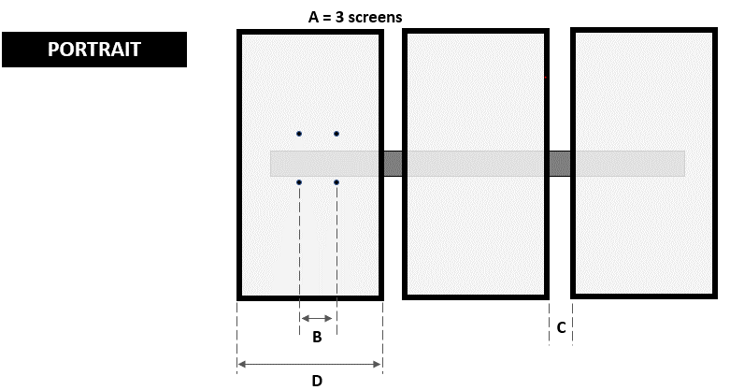

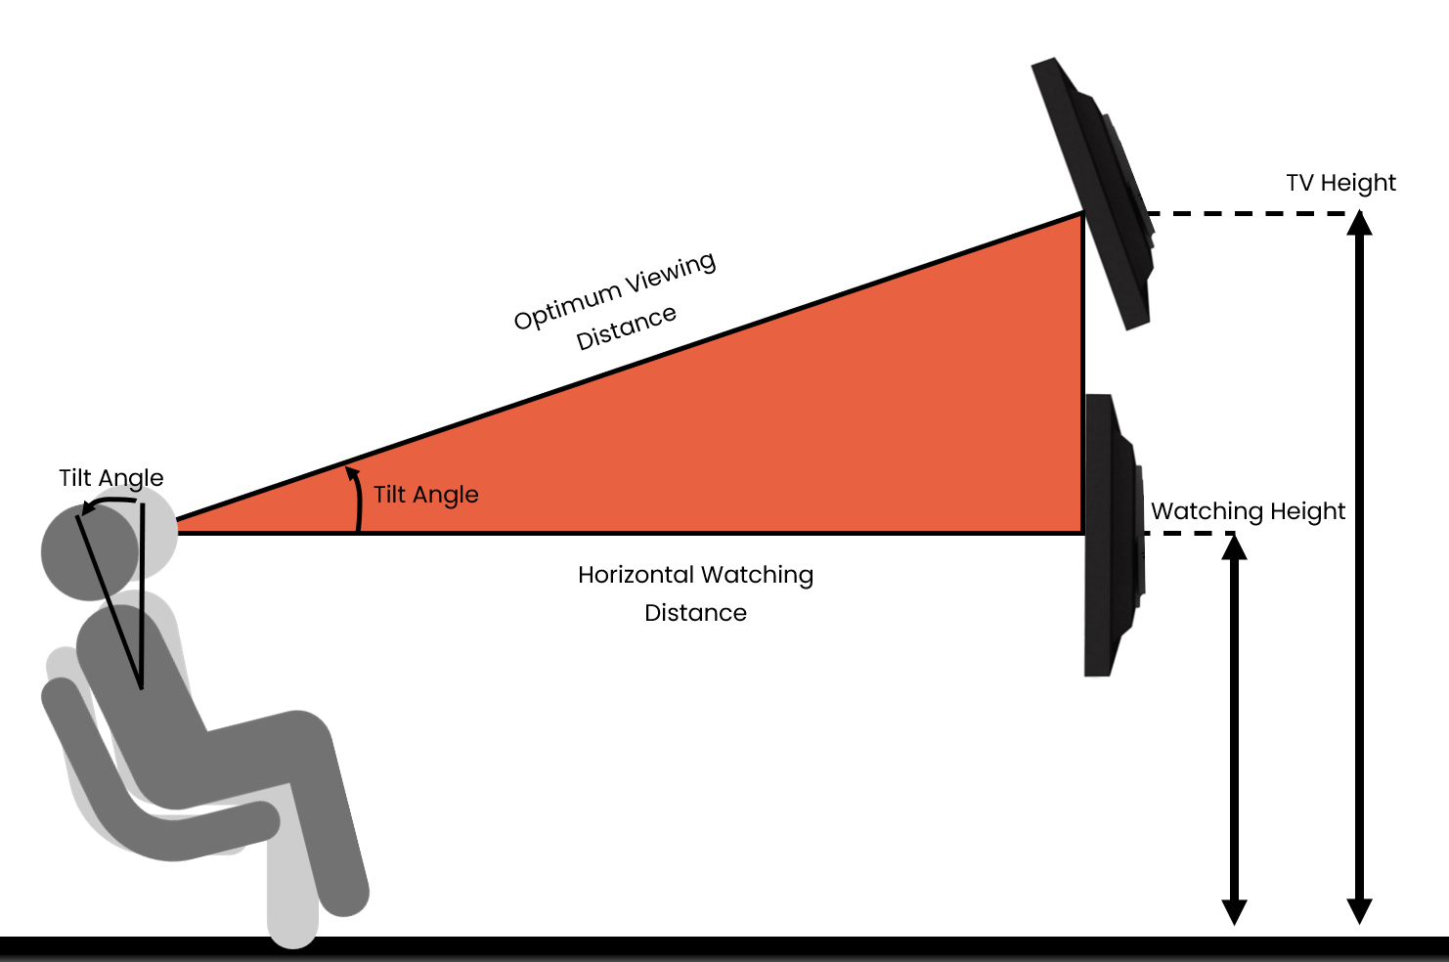

 | Mounting Height Calculator
 |  | Purpose: Helps installer determine how heigth in which to mount displays for optimal viewing. Directions: Enter values into YELLOW BOXES to determine optimal height.

 |  | TV Size (In Inches) (Select closest size from the drop down list) | 65

 |  | Watching Height (In Inches) | 40

 |  | Tilt Angle (in Degrees) | 15

 |  | Optimum Viewing Distance (In Inches) | 104

 |  | Recommended TV Height (Center of TV) (In Inches) | 67

